logo
 |  | 2019292001-2019292002-2019292003-2019292004
ATTENTION EXHIBITORS | JUDGING PROGRAM
The Labrador Retriever Club of the Piedmont, The Piedmont Kennel Club Showplace, Show
Secretary, Their agents, employees, etc. assume no responsibility for any loss, damage or | LABRADOR RETRIEVER CLUB
injury sustained by exhibitors, handlers or to any of their dogs or property and further | OF THE PIEDMONT, INC.
assume no responsibility for injury to children.
 | Licensed by the American Kennel Club
Dogs may arrive at anytime prior to their scheduled time of judging. Dogs not required for further
judging will be excused. | UNBENCHED INDOORS
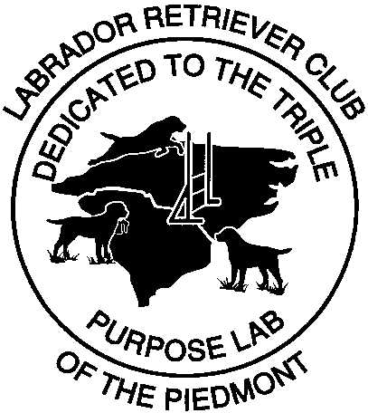

The owner or handler of each dog is solely responsible for having it ready at the ring side when
its class is to be judged. The Club has no obligation or responsibility for providing service through
a public address system or steward or runners for the purpose of locating dogs that are not brought
into the ring when required.

IMPORTANT - Transfer of dogs from regular classes to Best of Breed Competition (Ch. 11 Section 6
AKC Rules) must be made to the Secretary at least one half hour prior to the start of any regular
conformation judging at this show.

Entry fees will not be refunded in event that a dog is absent, disqualified, excused by Veterinarian
or Judge, or barred from competition by action of Show Committee. If because of riots, civil
disturbances or other acts beyond the control of management it is impossible to open or complete
the show, no refund of entry fee will be made.
 | Saturday/Sunday, February 9 - 10, 2019
All dogs present must be held on leash or confined to their crates except when being judged or when
in an exercise ring. | PIEDMONT KENNEL CLUB SHOWPLACE
HOSPITALITY | 13609 Choate Circle, Charlotte, North Carolina
Showsite…………Saturday/Sunday, February 9-10, 2019
Saturday and Sunday Lunch will be available on show grounds.
LRC OF THE PIEDMONT'S COMPLIMENTARY HOSPITALITY | SHOW HOURS
Please join us both days (all day) at the show site for some great hospitality and fellowship. | SATURDAY, 7:00 AM TO 7:00 PM
In the morning- breakfast sweets and coffee and during the day coffee, chips, nuts and water. | SUNDAY, 7:00 AM TO 7:00 PM
ACCOMMODATIONS
A block of rooms have been reserved at the Comfort Inn, (I 77 EXIT 90) 3725 Avenue of the Carolinas,
Fort Mill, SC 29708 (803)548-5200. Mention LRC Piedmont. There are other motels available
at this exit.
DIRECTIONS TO THE SHOW
I 77 (Exit 90) to Carowinds Blvd. About 1/2 mile to Choate Circle, turn left, about 1 mile to
Show Building on right.

